MIS
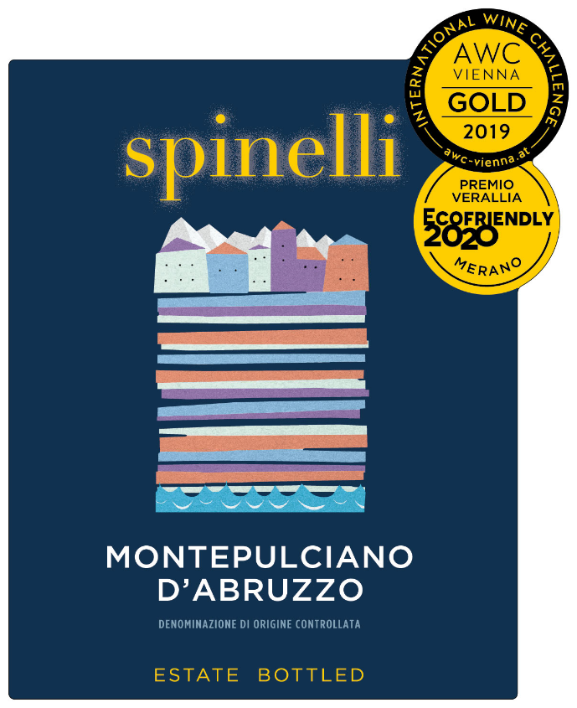
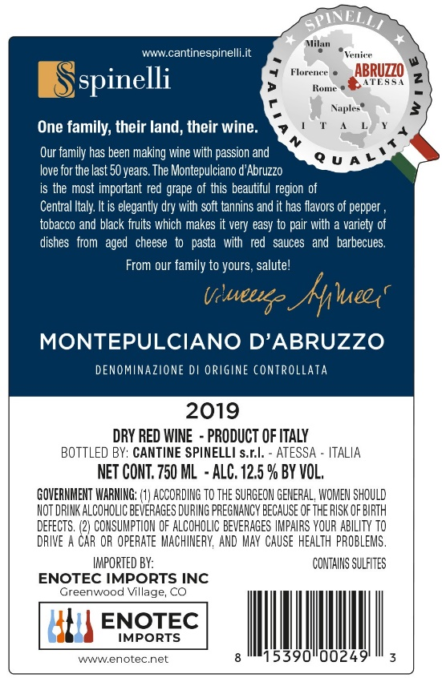
 | MASTER INFORMATION SHEET
General Information
Winery name | Spinelli srl
Wine name | Spinelli Montepulciano D'Abruzzo 0,75 lt.
Region | Abruzzo
Zone | Chieti
Single vineyard or commune? | Single
Commune name, if applicable
Type/Tipologia | Montepulciano D'Abruzzo DOC
Vintage | 2019
Grape variety(ies) | Montepulciano D'Abruzzo DOC
Alcohol % | 13 12.5% on label
Acidity % | 5.45
Residual sugar | 3.8
Number of bottles of this vintage produced | 1200000
Vineyard Information
Vineyard name | Montepulciano D'Abruzzo DOC
Harvest date/vendemmia | October
Vineyard hectares (ha)
Year vineyard was planted
Vineyard exposition | South, South-East
Trellis type of vines | Tent grown- Guyot
Winemaking Information
Winemaker name | Brighigna Riccardo
Maceration/length of fermentation | Maceration on skins at controlled temperature. Fermentation in stainless steel.
Type of fermentor | Stainless steel
Malolactic fermentation? | YES
If malolactic, what percentage? | 100%
Type of yeast used | Spontaneous fermantation with natural yeasts
Total aging (stainless, wood, etc.) | Stainless steel
If wood, type and length
Additional bottle aging? | No
Describe the wine's aroma. | Generous aroma of red fruit and delicate spicy notes.
Describe the wine's color. | Ruby red with bright purple hues
Aging potential | 3 to 5 years
Is the wine organic? | NO
Is the wine certified organic? | NO
Is the wine vegan? | NO
Food pairings/abbinamenti gastronomici | Traditional Mediterranean dishes, very well with first courses with meat sauces, red and white grilled meat. Great with medium-aged cheeses.
Enter winemaker tasting notes. | Soft, with good structure,balanced and with good length.
Enter journalist reviews.
Case & Bottle Information
Type of closure | Screw cap
Capsule color | Personalized
Type of bottle (Burgundy, Bordeaux, Rennina, etc) & color of glass | Bordeaux 0,75lt. - uvag
Weight per bottle | Kg. 1,2 2.58 lbs
Weight per case | Kg. 14 31.0 lbs
Bottles per case | 12
Case dimensions
Length: | mm. 312 12.28"
Width: | mm. 237 9.3"
Height: | mm. 317 12.48"
Pallet configuration | Pallett 93x113 fumigated
Cases per layer: | 14
Layers per pallet: | 5
UPC code bottle 815390002493 | 815390002493
Label, Packing & Compliance Information
E-mail actual size, high resolution JPEG files of front and back to maedene@enotec.net. All labels need to be approved by the US government before labels are printed.

E-mail high resolution (JPEG) bottle shots to maedene@enotec.net.

E-mail high-resolution (JPEG) image of carton to maedene@enotec.net.
ENOTEC ONLY
COLA #: | 20148001000441
Suggested Retail Price (SRP)
Allocations:

