MIS
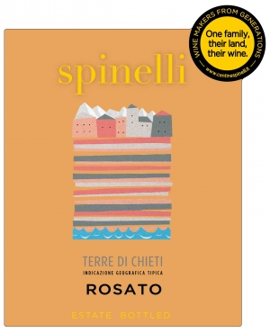
 | MASTER INFORMATION SHEET
General Information
Winery name | Spinelli srl
Wine name | Spinelli Rosato Terre di Chieti IGT 0,75 lt.
Region | Abruzzo
Zone | Chieti
Single vineyard or commune? | Single
Commune name, if applicable
Type/Tipologia | Igt Rose wine
Vintage | 2019
Grape variety(ies) | Montepulciano D'Abruzzo DOC
Alcohol % | 12
Acidity % | 6
Residual sugar | 3
Number of bottles of this vintage produced | 120000
Vineyard Information
Vineyard name | Montepulciano D'Abruzzo DOC
Harvest date/vendemmia | September
Vineyard hectares (ha)
Year vineyard was planted
Vineyard exposition | South, South-East
Trellis type of vines | Tent grown - Guyot
Winemaking Information
Winemaker name | Brighigna Riccardo
Maceration/length of fermentation | Cold maceration of crushed grapes, soft pressing and fermentation in stainless-steel tanks at controlled temperature.
Type of fermentor | Stainless steel
Malolactic fermentation? | No
If malolactic, what percentage?
Type of yeast used | Selected non-aromatic varietal yeasts
Total aging (stainless, wood, etc.) | Stainless steel
If wood, type and length | No
Additional bottle aging? | No
Describe the wine's aroma. | Intense fruity aroma,delicate floral notes and hints of black cherry.
Describe the wine's color. | Cherry red color.
Aging potential | 1 year
Is the wine organic? | NO
Is the wine certified organic? | NO
Is the wine vegan? | NO
Food pairings/abbinamenti gastronomici | Excellent with starters, all mediterranean dishes and fresh cheeses. Very good as an aperitif.
Enter winemaker tasting notes. | Good structure, soft, fresh and balanced.
Enter journalist reviews.
Case & Bottle Information
Type of closure | Screw cap
Capsule color | Personalized
Type of bottle (Burgundy, Bordeaux, Rennina, etc) & color of glass | Bordeaux 0,75lt. - white
Weight per bottle | Kg. 1,2 2.58 lbs.
Weight per case | Kg. 14 31.0 lbs
Bottles per case | 12
Case dimensions
Length: | mm 312 12.28"
Width: | mm 237 9.3"
Height: | mm 317 12.48"
Pallet configuration | pallet 93x113 fumigated
Cases per layer: | 14
Layers per pallet: | 5
UPC code bottle 815390002561 | 815390002561
Label, Packing & Compliance Information
E-mail actual size, high resolution JPEG files of front and back to maedene@enotec.net. All labels need to be approved by the US government before labels are printed.

E-mail high resolution (JPEG) bottle shots to maedene@enotec.net.

E-mail high-resolution (JPEG) image of carton to maedene@enotec.net.
ENOTEC ONLY
COLA #: | 20148001000491
Suggested Retail Price (SRP)
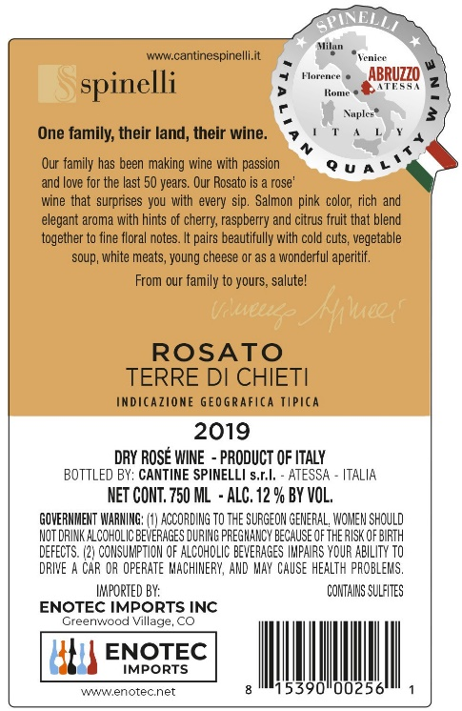
Allocations:

