MIS
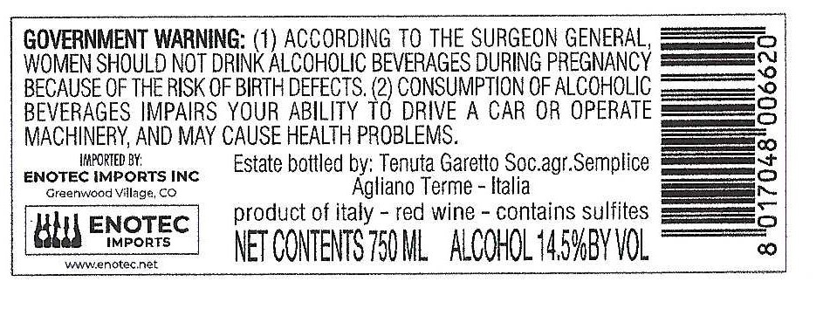
 | MASTER INFORMATION SHEET
Please answer the following questions.
General Information
Winery name | TENUTA GARETTO
Wine name | FAVA' NIZZA DOCG 2018
Region | Piemonte
Zone | Agliano Terme
Single vineyard or commune? | Single Vineyard
Commune name, if applicable
Type/Tipologia | DOCG
Vintage | 2018
Grape variety(ies) | 100% BARBERA
Alcohol % | 14.5
Acidity %
Residual sugar
Number of bottles of this vintage produced | 10,400
Vineyard Information
Vineyard name | BANSELLA
Harvest date/vendemmia | OCTOBER
Vineyard hectares (ha) | 1 ha
Year vineyard was planted | between 1930 and 1950
Vineyard exposition | South
Trellis type of vines | guyot
Winemaking Information
Winemaker name
Maceration/length of fermentation | 15 DAYS
Type of fermentor | Cement
Malolactic fermentation? | Yes
If malolactic, what percentage? | 100%
Type of yeast used | sacc
Total aging (stainless, wood, etc.) | 24 MONTHS
If wood, type and length | yes, big barrel and tonneau min. 18 months
Additional bottle aging? | yes
Describe the wine's aroma.
Describe the wine's color. | DEEP RUBY RED
Aging potential
Is the wine organic? | No
Is the wine certified organic? | No
Is the wine vegan? | yes
Food pairings/abbinamenti gastronomici
Enter winemaker tasting notes. | Intense ruby red color, tending to garnet with aging. Intense, characteristic, ethereal nose. Dry, full-bodied, harmonious and round flavor.
Enter journalist reviews.
Case & Bottle Information
Type of closure | Cork
Capsule color | BLACK/RED
Type of bottle | BORGOGNE
Weight per bottle | 900 gr 3.83 lbs.
Weight per case | 10,5 kgs 23 lbs.
Bottles per case | 6
Case dimensions
Length: | 27 cm 10.6"
Width: | 18,5 cm 7.3"
Height: | 31 cm 12.2"
Pallet configuration
Cases per layer: | 14
Layers per pallet: | 8
UPC code | EAN blts 8017048006620 confirmed 9-13-2021
Label, Packing & Compliance Information
E-mail actual size, high resolution JPEG files of front and back to maedene@enotec.net. All labels need to be approved by the US government before labels are printed.

E-mail high resolution (JPEG) bottle shots to maedene@enotec.net.

E-mail high-resolution (JPEG) image of carton to maedene@enotec.net.

ENOTEC ONLY
COLA #: | 21256001000868 New COLA 10-13-2021
Suggested Retail Price (SRP)
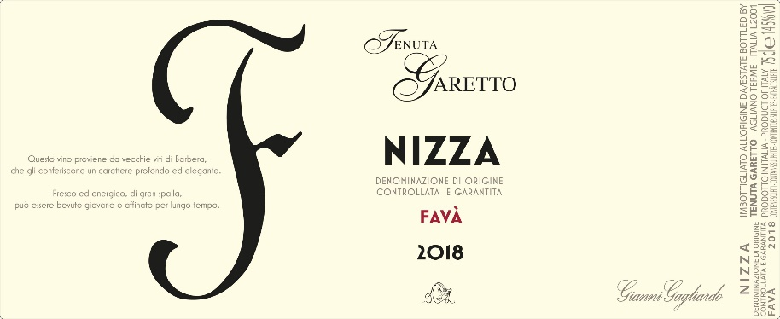
Allocations:

