MIS
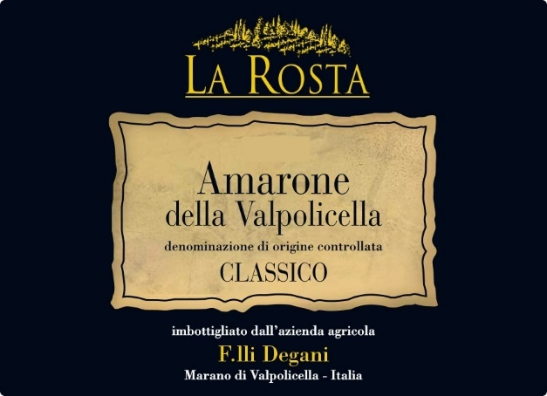
 | MASTER INFORMATION SHEET
Please answer the following questions.
General Information
Winery name | Az. Agr. F.lli Degani di Degani Aldo | NOTES
Wine name | Amarone della Valpolicella Clas. DOCG "La Rosta "
Region | Veneto | Please select from drop-down.
Zone | Valpolicella Area
Single vineyard or commune? | Single Vineyard | Please select from drop-down.
Commune name, if applicable
Type/Tipologia | DOCG | Please select from drop-down.
Vintage | 2015
Grape variety(ies) | Corvina 45% - Rondinella 45% - Others 10%
Alcohol % | 15.52% by vol | Provide laboratory analysis for each new vintage.
Acidity % | 5,65 g/l
Residual sugar | 6,00 g/l
Number of bottles of this vintage produced | 10,000
Vineyard Information
Vineyard name
Harvest date/vendemmia | september/october
Vineyard hectares (ha) | 8
Year vineyard was planted | around 2000
Vineyard exposition | nord - sud | Please select from drop-down.
Trellis type of vines | guyot
Winemaking Information
Winemaker name | Mr Aldo Degani
Maceration/length of fermentation | 30 days
Type of fermentor | Stainless vertical | Please select from drop-down.
Malolactic fermentation? | Yes | Please select from drop-down.
If malolactic, what percentage? | 100%
Type of yeast used
Total aging (stainless, wood, etc.) | 30/36 months
If wood, type and length
Additional bottle aging? | 6 months
Describe the wine's aroma. | red fruits, cherry under spirit, blackberry, liquorice, cinnamon. Balsamic and toasted notes in the mouth. Powerful, very persistent
Describe the wine's color. | intense garnet red colour
Aging potential | more than 20 years
Is the wine organic? | no | Please select from drop-down.
Is the wine certified organic? |  | Please select from drop-down. If certified, provide certification.
Is the wine vegan? | no
Food pairings/abbinamenti gastronomici | All grilled and braised red meat. Game. Seasoned cheeses and also alone as a meditation wine
Enter winemaker tasting notes.
Enter journalist reviews.
Case & Bottle Information
Type of closure | Cork | Please select from drop-down.
Capsule color | black
Type of bottle (Burgundy, Bordeaux, Rennina etc) & Color of glass | burgundy bottle
Weight per bottle | 3.2 lbs.
Weight per case | 8.8 19.5 lbs.
Bottles per case | 6 | Please select from drop-down.
Case dimensions
Length: | 26 cm 10.2"
Width: | 18,5 cm 7.2"
Height: | 32 cm 12.6"
Pallet configuration
Cases per layer: | 20
Layers per pallet: | 5
UPC code | 8033100020151
Label, Packing & Compliance Information
E-mail actual size, high resolution JPEG files of front and back to maedene@enotec.net. All labels need to be approved by the US government before labels are printed.

E-mail high resolution (JPEG) bottle shots to maedene@enotec.net.

E-mail high-resolution (JPEG) image of carton to maedene@enotec.net.

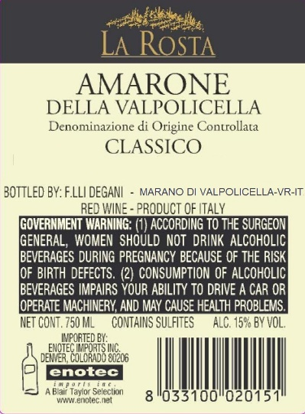
ENOTEC ONLY
COLA #: | 13150001000433
Suggested Retail Price (SRP)
Allocations:

