MIS
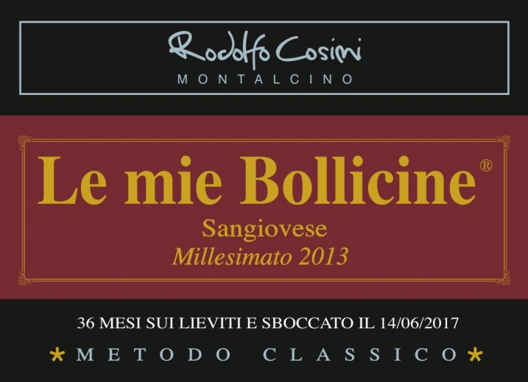
 | MASTER INFORMATION SHEET
Please answer the following questions.
General Information
Winery name | IL POGGIOLO E. COSIMI S.S. | NOTES
Wine name | LE MIE BOLLICINIE
Region | TOSCANA | Please select from drop-down.
Zone | MONTALCINO
Single vineyard or commune? | COMMUNE | Please select from drop-down.
Commune name, if applicable
Type/Tipologia | IGT | Please select from drop-down.
Vintage | 2013
Grape variety(ies) | SANGIOVESE
Alcohol % | 12.5 | Provide laboratory analysis for each new vintage.
Acidity %
Residual sugar | PAS DOSE'
Number of bottles of this vintage produced | 4000
Vineyard Information
Vineyard name
Harvest date/vendemmia | END OF AUGUST BEGINNING OF SEPTEMBER
Vineyard hectares (ha) | 3
Year vineyard was planted | 1971/1999
Vineyard exposition | SOUTHWEST | Please select from drop-down.
Trellis type of vines | CORDONE SPERONATO
Winemaking Information
Winemaker name | RODOLFO COSIMI
Maceration/length of fermentation | STEEL TANKS/ 20 DAYS
Type of fermentor | Stainless horizontal | Please select from drop-down.
Malolactic fermentation? | No | Please select from drop-down.
If malolactic, what percentage?
Type of yeast used | selected yeasts
Total aging (stainless, wood, etc.) | second fermentation in bottle for 3 years
If wood, type and length | no wood
Additional bottle aging?
Describe the wine's aroma. | BOUQUET OF BREAD CRUST AND DRIED YEAST
Describe the wine's color. | LIGHT AMBER WITH A FINE AND PERSISTENT PERLAGE
Aging potential | 10/20 YEARS
Is the wine organic? | NO | Please select from drop-down.
Is the wine certified organic? |  | Please select from drop-down. If certified, provide certification.
Is the wine vegan? | NO
Food pairings/abbinamenti gastronomici | FISH/TARTARE AND CHEESE
Enter winemaker tasting notes. | A UNIQUE WINE WITH A STRONG,VIGOROUS CHARACTER
Enter journalist reviews.
Case & Bottle Information
Type of closure | CORK | Please select from drop-down.
Capsule color | BLACK
Type of bottle (Burgundy, Bordeaux, Rennina, etc) & color of glass | DARK GREEN
Weight per bottle | 1,5 KG 3.3 Lbs.
Weight per case | 9 20 lbs
Bottles per case | 6 | Please select from drop-down.
Case dimensions
Length: | 33 12.99"
Width: | 28 11.0"
Height: | 19 CM 7.48"
Pallet configuration
Cases per layer: | 15
Layers per pallet: | 4
UPC code | N/A
Label, Packing & Compliance Information
E-mail actual size, high resolution JPEG files of front and back to maedene@enotec.net. All labels need to be approved by the US government before labels are printed.

E-mail high resolution (JPEG) bottle shots to maedene@enotec.net.

E-mail high-resolution (JPEG) image of carton to maedene@enotec.net.

ENOTEC ONLY
COLA #: | 18312001000470
Suggested Retail Price (SRP)
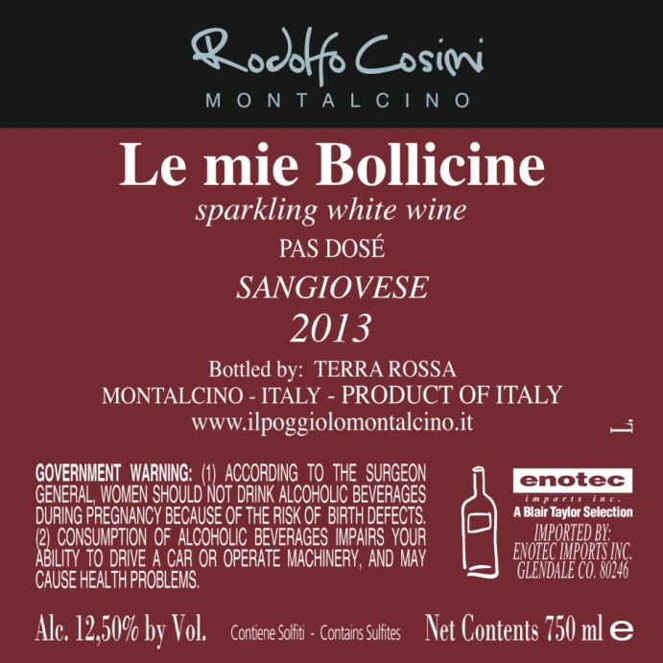
Allocations:

