MIS
 | MASTER INFORMATION SHEET
General Information | Your Response
Legal name | MARIA CATERINA DEI
Winery name | MARIA CATERINA DEI
Brand name | DEI
Brand History | (in attachment please, find our Estate History)
Wine name | MARTIENA
Region | Toscana
Region History | Toscana
Zone | Montepulciano
Single vineyard or commune? | Commune
Commune name, if applicable
Type/Tipologia | IGT
Vintage | 2019
Grape variety(ies) | Aromatic Malvasia and other white grape varieties
Alcohol % on Laboratory analysis | 12.17
Alcohol % on label | 12.5
Acidity % | 6,78 g/L
Residual sugar | < 1,0
Number of bottles of this vintage produced | 10,000

Vineyard Information | Your Response
Vineyard name | Martiena Vineyard
Vineyard History | Vineyard which surrounds the cellar, in order to receive the grapes immediately.
Harvest date/vendemmia | Second half of September
Vineyard hectares (ha) | 10
Year vineyard was planted | 2009
Vineyard exposition | Southeast
Trellis type or system | spurred cordon and guyot
Are there particular clones of grapes planted
What is the soil type? | tuff
Describe the weather during this growing season-what challenges did you face? | 2019 is considered a very good vintage and its wines presents a fabulous potential in terms of wine's range of bouquets. We had a warm and sunny summer, with only two episodes of intense rain. At the moment of harvest our biggest challenge was to arrange all the spaces, because we had a lot of quality but also quantity of grapes.

Winemaking Information | Your Response
Winemaker name | Paolo Caciorgna
Is your harvest done by hand or machine? | Hand
How did you sort the fruit? Manually or with vibrating table? | Manually
Did you crush and destem or did you use the stems? | De-stemming-press, soft pressing
Cold maceration used, if so how long? | Maceration in stainless steel at 18°C
Type of yeast used-commercial or indigenous | Spontaneous fermentation with use of local yeasts
Punch down or pump over? | Pump over
What temperature did you ferment at? | 18° Celsius
Post fermentation maceration used, if so for how long? | Stainless vertical
Malolactic fermentation? | No
If malolactic, what percentage?
Total aging (stainless, wood, etc.) | Stainless vertical
If wood, what is the barrel size, age & type of oak? | no
Barrel cooper and forest, toast level of oak | medium
Additional bottle aging? | 6 MONTHS
Describe the wine's aroma. | delicate but intense hints of an aromatic variety, fruity and floral. Good Structure and pleasantly crisp
Describe the wine's color. | vibrant straw color
Aging potential | about 3 years
Is the wine organic? | Yes
Is the wine certified organic? | Yes
Is the wine vegan? | No
Food pairings/abbinamenti gastronomici | from appetizers (canapes, cold cuts), fish, salads, white meat
Enter winemaker tasting notes. | delicate but intense hints of an aromatic variety, fruity and floral. Good Structure and pleasantly crisp
Enter journalist reviews. | waiting for reviewes. New release

Case & Bottle Information | Your Response
Type of closure | cork
Capsule color | dark green
Type of bottle (Burgundy, Bordeaux, Rennina, etc) & color of glass | Bordeaux, soft dark color
Weight per bottle | 400 gr 2.9 lbs.
Bottles per case | 12

Weight per case | 15.84 35.0
Number of cases per pallet | 55/61
Case dimensions
Length: | 31 12.2"
Width: | 25 9.8"
Height: | 33 13.0"
Pallet configuration
Cases per layer: | 11 55 cs pallet
Layers per pallet: | 5
UPC code | 8026565001582

ENOTEC ONLY
COLA #: | 20211001000556
Suggested Retail Price (SRP)
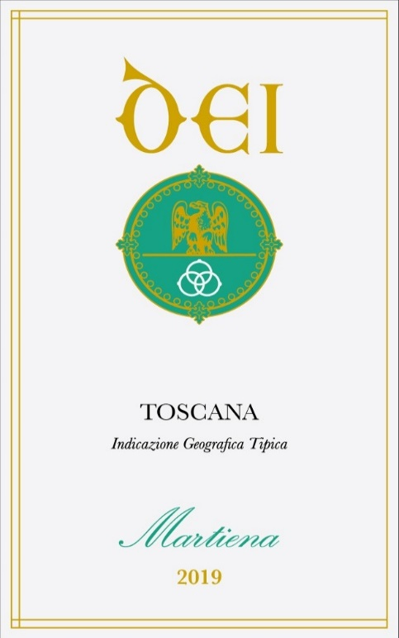
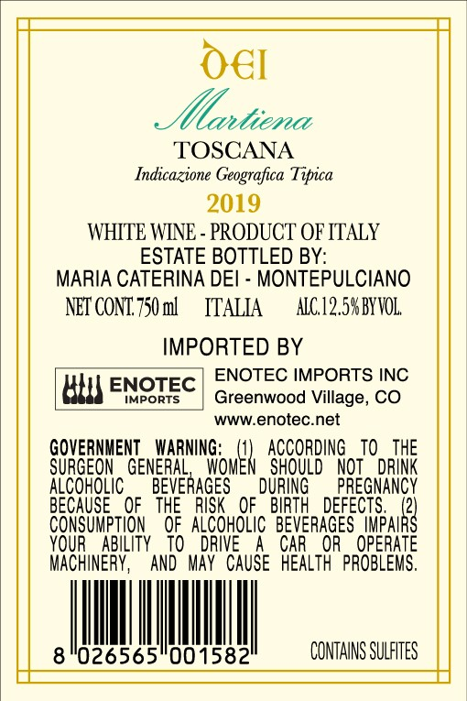
Allocations:

