MIS
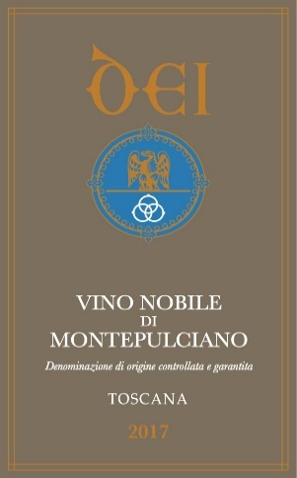
 | MASTER INFORMATION SHEET
General Information | Your Response
Legal name | MARIA CATERINA DEI
Winery name | MARIA CATERINA DEI
Brand name | DEI
Brand History | (in attachment please, find our Estate History)
Wine name | VINO NOBILE DI MONTEPULCIANO
Region | Toscana
Region History | Toscana
Zone | Montepulciano
Single vineyard or commune? | Commune
Commune name, if applicable
Type/Tipologia | DOCG
Vintage | 2017
Grape variety(ies) | Sangiovese, Canaiolo Nero
Alcohol % on Laboratory analysis | 14.19
Alcohol % on label | 14.5
Acidity % | 5,45 g/l
Residual sugar | <1,0
Number of bottles of this vintage produced | 100,000

Vineyard Information | Your Response
Vineyard name | La Ciarliana and Cervognano Vineyards
Vineyard History | Vineyards planted in a soil rich in clay and tuff, to convey concentration, body structure and smoothness to the wine.
Harvest date/vendemmia | Second half of September
Vineyard hectares (ha) | 17 in total
Year vineyard was planted | 2005
Vineyard exposition | Southeast
Trellis type or system | spurred cordon and guyot
Are there particular clones of grapes planted | Prugnolo Gentile, Gentle Plum
What is the soil type? | Mix of clay and tuff.
Describe the weather during this growing season-what challenges did you face? | 2017 was a warm vintage therefore we had to work a lot in the vineyard in order to face the heat and the drought. We applied some focused operations, not invasive. We didn't defoliate, to better protect the grapes. We planned the harvest in order to better favor the acidity and to limit the alcohol content. We are really satisfied with the results, because we obtained wines rich in fruity and pulpy aromas, with a nice acidity and pleasantly soft.

Winemaking Information | Your Response
Winemaker name | Paolo Caciorgna
Is your harvest done by hand or machine? | Hand
How did you sort the fruit? Manually or with vibrating table? | Manual
Did you crush and destem or did you use the stems? | Sorting table before soft press. No stems crushed
Cold maceration used, if so how long? | Maceration on skins for 15-25 days
Type of yeast used-commercial or indigenous | Spontaneous fermentation with use of local yeasts
Punch down or pump over? | Pump over
What temperature did you ferment at? | 26° - 28° Celsius
Post fermentation maceration used, if so for how long? | Stainless vertical
Malolactic fermentation? | Yes
If malolactic, what percentage?
Total aging (stainless, wood, etc.) | 24 months Slavonian 33Hl Oak Barrel
If wood, what is the barrel size, age & type of oak? | 33 Hl, 10 YEARS AVERAGE AGE
Barrel cooper and forest, toast level of oak | soft and medium
Additional bottle aging? | 6 MONTHS
Describe the wine's aroma. | intense bouquet, pungent and mature, with aroma of ripe cherry, plum and violets. Flavorful, balanced and persistent, it has soft, velvety tannins.
Describe the wine's color. | brilliant ruby color with hints of garnet as it ages
Aging potential | BETWEEN 10 AND 15 YEARS
Is the wine organic? | Yes
Is the wine certified organic? | Yes
Is the wine vegan?
Food pairings/abbinamenti gastronomici | from appetizers (canapes, cold cuts), hand made pasta with ragout souce, t-bone steak or why not, fish soupe or tuna
Enter winemaker tasting notes. | intense bouquet, pungent and mature, with aroma of ripe cherry, plum and violets. Flavorful, balanced and persistent, it has soft, velvety tannins.
Enter journalist reviews. | 94 points James Suckling (we are waiting for other results, it is a new release)

Case & Bottle Information | Your Response
Type of closure | cork
Capsule color | black
Type of bottle (Burgundy, Bordeaux, Rennina, etc) & color of glass | Ancient Bordeaux, dark color (back)
Weight per bottle | 400 gr 2.96 lbs
Bottles per case | 12

Weight per case | 15.84 35 lbs.
Number of cases per pallet | 55/61
Case dimensions
Length: | 31 12.2"
Width: | 25 9.8"
Height: | 33 13.0"
Pallet configuration
Cases per layer: | 11 55 cs. pallet
Layers per pallet: | 5
UPC code | 8026565001544
ENOTEC ONLY
COLA #: | 20223001000624
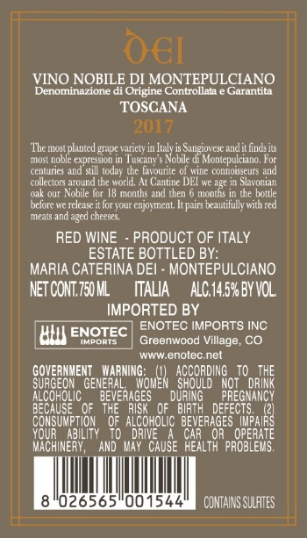
Suggested Retail Price (SRP)
Allocations:

